Enabling circular calculations
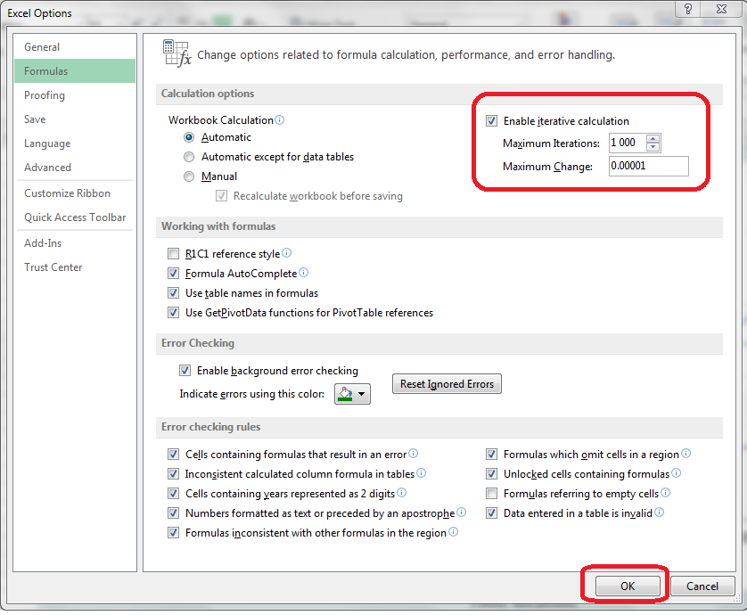
Circular calculations
 | The spreadsheet presented here uses an iterative approach to determine the best-fitting life table for the chosen estimates. However, circular calculations are not routinely allowed in Excel. To enable them for this spreadsheet,
 | * Go to File ® Options ® Formulas
 | * Ensure that "Enable Iterative Calculation" is checked
 | * Set the maximum iterations to a suitable large number (e.g. 1000)
 | * Set the tolerance (the difference between the results from successive iterations at which the iterative process
 | is allowed to terminate) to a suitably small number.

 | It is not recommended to exceed this number of iterations, or to specify a lower tolerance, as convergence may prove impossible. The values recommended are amply sufficient for most sensible applications of this spreadsheet.

The need to reset the fit if the family is changed
 | If the FAMILY of the model life table system is changed (i.e. from PRINCETON to UN, or vice versa), it is
 | necessary to reset the calculation routine. Otherwise errors will arise.
 | To do so, change the 'Recalculate' cell (B3) of the Method sheet from TRUE to FALSE and back to TRUE.

Alpha plots
Data points
1=Selected; Blank=Unselected

Point | Child | Adult |  | Children α's - ALL |  | Children - selected points
1 |  |  |  | β = 1 | Time location | Line fitting points |  | Graph points
2 | 1 | 1 |  | -0.4389 | 2001.71 |  |  | #N/A | #N/A | Slope | -0.0161
3 | 1 | 1 |  | -0.4519 | 2000.24 | -0.4519 | 2000.24 | -0.4519 | 2000.24 | Intercept | 31.6511
4 | 1 | 1 |  | -0.6112 | 1998.48 | -0.6112 | 1998.48 | -0.6112 | 1998.48 | Min | 1987.99 | -0.3482
5 | 1 | 1 |  | -0.5266 | 1996.43 | -0.5266 | 1996.43 | -0.5266 | 1996.43 | Max | 2000.50 | -0.5496
6 | 1 | 1 |  | -0.4288 | 1994.16 | -0.4288 | 1994.16 | -0.4288 | 1994.16
7 | 1 | 1 |  | -0.3803 | 1991.52 | -0.3803 | 1991.52 | -0.3803 | 1991.52
 |  |  |  | -0.3483 | 1987.99 | -0.3483 | 1987.99 | -0.3483 | 1987.99

 |  |  |  | Adults α's - ALL |  | Adults - selected points
 |  |  |  | β = 1 | Time location | Line fitting points |  | Graph points
 |  |  |  | -0.5176 | 1999.23 |  |  | #N/A | #N/A | Slope | -0.0289
 |  |  |  | -0.6183 | 1997.07 | -0.6183 | 1997.07 | -0.6183 | 1997.07 | Intercept | 57.0082
 |  |  |  | -0.5779 | 1995.13 | -0.5779 | 1995.13 | -0.5779 | 1995.13 | Min | 1990.51 | -0.4300
 |  |  |  | -0.5021 | 1993.43 | -0.5021 | 1993.43 | -0.5021 | 1993.43 | Max | 2000.50 | -0.7183
 |  |  |  | -0.4567 | 1992.02 | -0.4567 | 1992.02 | -0.4567 | 1992.02
 |  |  |  | -0.4463 | 1991.00 | -0.4463 | 1991.00 | -0.4463 | 1991.00
 |  |  |  | -0.4436 | 1990.51 | -0.4436 | 1990.51 | -0.4436 | 1990.51
 |  |  |  |  |  |  |  |  |  | To draw vertical line
 |  |  |  |  |  |  |  |  |  | 1997.5 | -0.7183
 |  |  |  |  |  |  |  |  |  | 1997.5 | -0.3483

 |  |  | Fitted α plots (with β set by iteration)
 | Children |  | Adults
2001.71 | #N/A | 1999.23 | #N/A
2000.24 | #N/A | 1997.07 | #N/A
1998.48 | #N/A | 1995.13 | #N/A
1996.43 | #N/A | 1993.43 | #N/A
1994.16 | #N/A | 1992.02 | #N/A
1991.52 | #N/A | 1991.00 | #N/A
1987.99 | #N/A | 1990.51 | #N/A

Results
Fitted life table - Dominican Rep., Females, 1997.5
Parameter | Value
Alpha (α) | #N/A
Beta (β) | #N/A

FITTED LIFE TABLE |  | Fitted life table - Dominican Rep., Females, 1997.5
Age (x) | l(x)
0 | 1.0000
1 | #N/A
2 | #N/A
3 | #N/A
4 | #N/A
5 | #N/A
10 | #N/A
15 | #N/A
20 | #N/A
25 | #N/A
30 | #N/A
35 | #N/A
40 | #N/A
45 | #N/A
50 | #N/A
55 | #N/A
60 | #N/A
65 | #N/A
70 | #N/A
75 | #N/A
80 | #N/A
85 | #N/A
90 | #N/A
95 | #N/A
100 | #N/A
105 | #N/A
110 | #N/A

